Sheet1
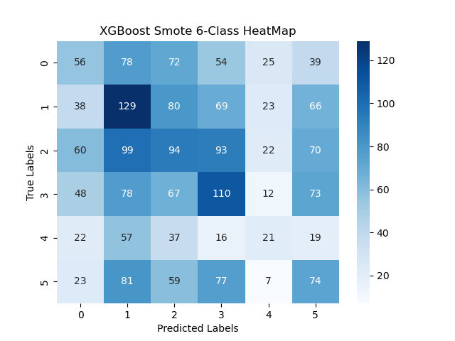
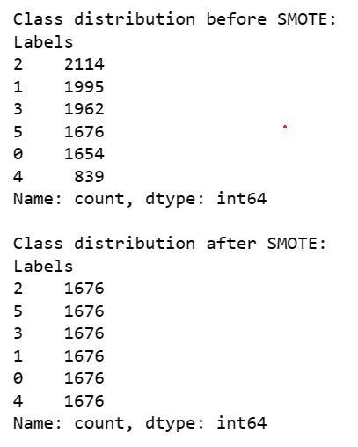
XGBoost | 0 | 1 | 2 | 3 | 4 | 5 | accuracy | macro avg | weighted avg |  | 0 | 1 | 2 | 3 | 4 | 5 | accuracy | macro avg | weighted avg
precision | 0.17592592593 | 0.25679012346 | 0.29223744292 | 0.28608247423 | 0.093023255814 | 0.23052959502 | 0.2392578125 | 0.22243146956 | 0.24925044812 | precision | 0.17283950617 | 0.31851851852 | 0.21461187215 | 0.28350515464 | 0.12209302326 | 0.23052959502 | 0.236328125 | 0.22368294496 | 0.24783386946
recall | 0.1993006993 | 0.24129930394 | 0.26556016598 | 0.24943820225 | 0.18604651163 | 0.23270440252 | 0.2392578125 | 0.22905821427 | 0.2392578125 | recall | 0.22672064777 | 0.24712643678 | 0.22982885086 | 0.26252983294 | 0.19090909091 | 0.21700879765 | 0.236328125 | 0.22902060948 | 0.236328125
f1-score | 0.1868852459 | 0.24880382775 | 0.27826086957 | 0.26650660264 | 0.12403100775 | 0.23161189358 | 0.2392578125 | 0.2226832412 | 0.2430273712 | f1-score | 0.19614711033 | 0.2783171521 | 0.22195985832 | 0.27261462206 | 0.14893617021 | 0.22356495468 | 0.236328125 | 0.22358997795 | 0.23991973956
support | 286 | 431 | 482 | 445 | 86 | 318 | 0.2392578125 | 2048 | 2048 | support | 247 | 522 | 409 | 419 | 110 | 341 | 0.236328125 | 2048 | 2048

Catboost | 0 | 1 | 2 | 3 | 4 | 5 | accuracy | macro avg | weighted avg
precision | 0.024691358025 | 0.44444444444 | 0.40182648402 | 0.32474226804 | 0 | 0.034267912773 | 0.24462890625 | 0.20499541122 | 0.38144374845
recall | 0.1568627451 | 0.24226110363 | 0.24546722455 | 0.25557809331 | 0 | 0.25 | 0.24462890625 | 0.1916948611 | 0.24462890625
f1-score | 0.042666666667 | 0.31358885017 | 0.30476190476 | 0.28603859251 | 0 | 0.060273972603 | 0.24462890625 | 0.16788833112 | 0.2916776769
support | 51 | 743 | 717 | 493 | 0 | 44 | 0.24462890625 | 2048 | 2048

Multinomial Bayes | 0 | 1 | 2 | 3 | 4 | 5 | accuracy | macro avg | weighted avg
precision | 0.13861386139 | 0.23488372093 | 0.24295774648 | 0.2343470483 | 0 | 0.2641509434 | 0.23486328125 | 0.18582555342 | 0.20613935478
recall | 0.043209876543 | 0.24938271605 | 0.47260273973 | 0.33762886598 | 0 | 0.08722741433 | 0.23486328125 | 0.19834193544 | 0.23486328125
f1-score | 0.065882352941 | 0.24191616766 | 0.32093023256 | 0.27666314678 | 0 | 0.13114754098 | 0.23486328125 | 0.17275657349 | 0.19986964537
support | 324 | 405 | 438 | 388 | 172 | 321 | 0.23486328125 | 2048 | 2048

XGBoost | 0 | 1 | accuracy | macro avg | weighted avg
precision | 0.70588235294 | 0.44342507645 | 0.58911564626 | 0.5746537147 | 0.61125489951
recall | 0.61276595745 | 0.54716981132 | 0.58911564626 | 0.57996788438 | 0.58911564626
f1-score | 0.65603644647 | 0.48986486486 | 0.58911564626 | 0.57295065567 | 0.59612424358
support | 470 | 265 | 0.58911564626 | 735 | 735

After Smote
XGBoost | 0 | 1 | accuracy | macro avg | weighted avg
precision | 0.69852941176 | 0.49235474006 | 0.60680272109 | 0.59544207591 | 0.61886464066
recall | 0.63192904656 | 0.56690140845 | 0.60680272109 | 0.59941522751 | 0.60680272109
f1-score | 0.66356228172 | 0.52700490998 | 0.60680272109 | 0.59528359585 | 0.61079725645
support | 451 | 284 | 0.60680272109 | 735 | 735

